JH service zipcode map
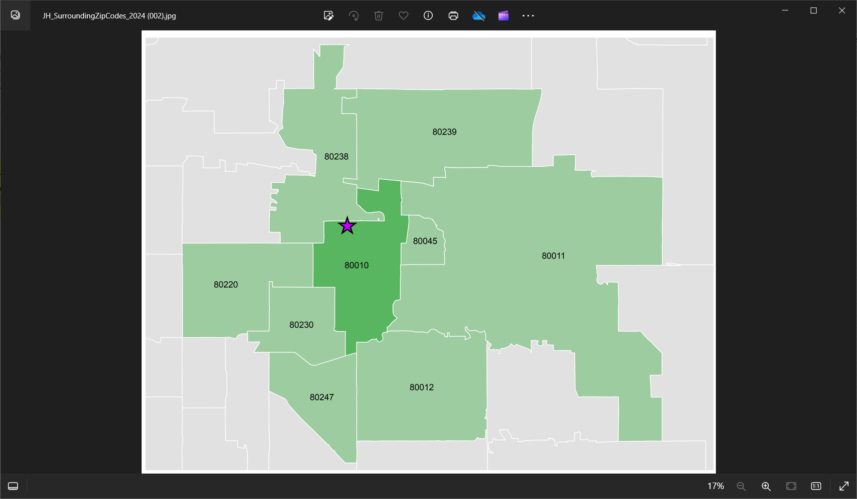
Note | Source file for zip codes was provided in an email from Mary Parks on 11/28/22

The original email request for the data and details for the file generated is presented following the list of zip codes and associated zip code tabulation areas (ZCTA5s)
 | which in turn are used to access the summary demographic information from the American Community Survey tables.

The orig order column tracks the original order of presentation of the zip codes in the source file noted above. This order has been adjusted after sorting by county (A to Z) and then
 | by ZCTA for zlookup (A to Z).

ZCTA for lookup | JH ZCTA match | ZIP_CODE | Aggregation Group

ZCTA5 80010 | 80010 | 80010 | Primary Service Area
ZCTA5 80011 | 80011 | 80011 | Primary Service Area
ZCTA5 80012 | 80012 | 80012 | Primary Service Area
ZCTA5 80045 | 80045 | 80045 | Primary Service Area
ZCTA5 80220 | 80220 | 80220 | Primary Service Area
ZCTA5 80230 | 80230 | 80230 | Primary Service Area
ZCTA5 80238 | 80238 | 80238 | Primary Service Area
ZCTA5 80239 | 80239 | 80239 | Primary Service Area
ZCTA5 80247 | 80247 | 80247 | Primary Service Area

 |  |  |  | .

